Ripple Test
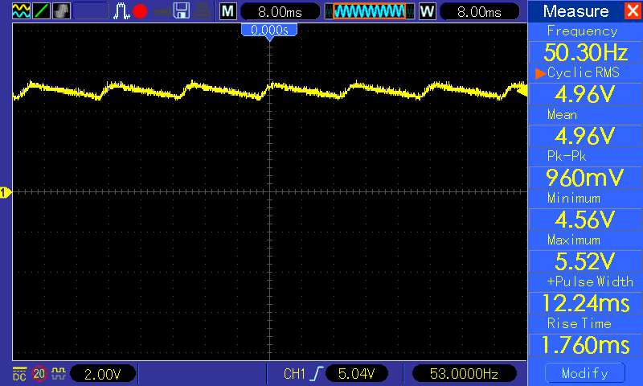
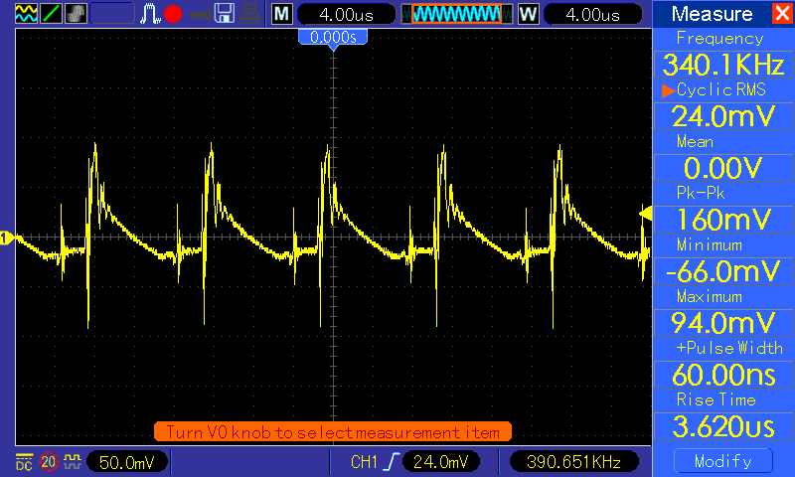
Test Setup : 50ohm in series with 220nf with again 50ohm to ground to filter only LF Load is connected @ Power supply (+) - blacberry mobile connected

Reference : |  | Application Note by Stmicro for Ripple & Noise measurement

Test 1 | Nokia N73 connected directly to adaptor

Vout waveform : Some irregularity seen on output voltage |  |  | Vripple : Waveform after filter when using N73 as load => 308mv Vp-p
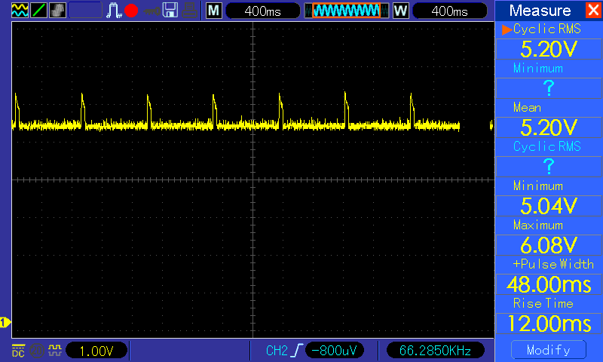
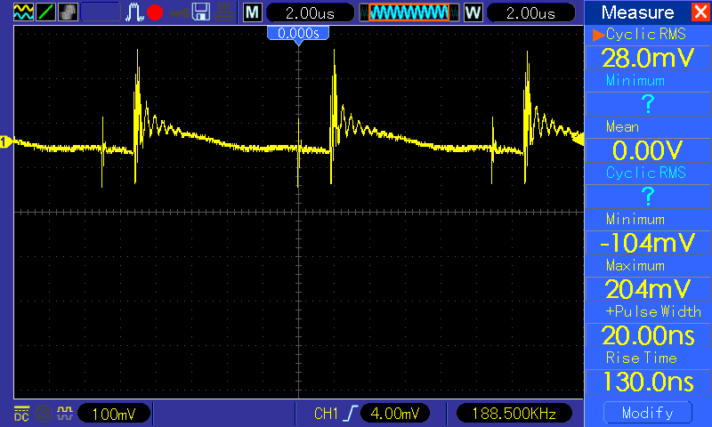

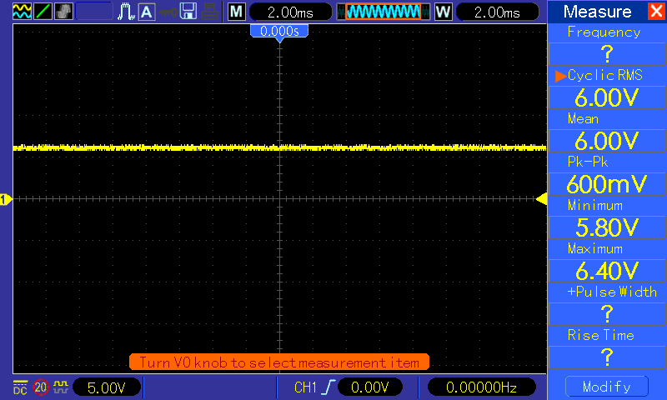
Test 2 | No load
Vout @ no load |  |  | Vripple : @ no load => 20mv Vp-p
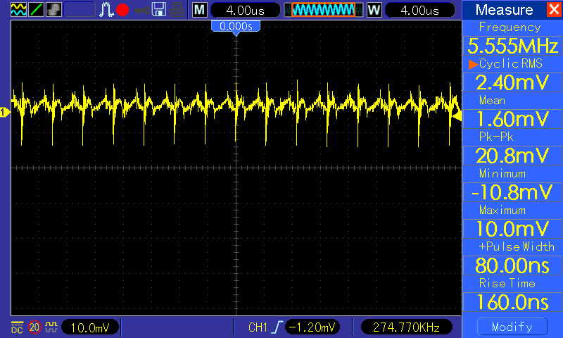

Test 3 | DC electronic load
Vout = set as per Power supply when sinking max. Iload = 350ma |  |  | Vripple => with Iload 350ma is => 160mv.

LoadRegulation
Test setup : DC electronic load connected and programmed for 50ma steps @ 10s intervals | Valid cells where curret sinked = O82 to O360
 | Load regulation = {V(nolad)- V(load)}/ V(noload) |  |  | Power Eff. (min)= | 0
 | V(noload) | 6 |  | Power Eff. (max.) | 0 | This is at max load hence well add a note
 | V(fullload) | 4.96
 | Load regulation = | 0.17333333333
 |  | Current(X) | Current(Y) | Power(AC source) | Eff. | Voltage(X) | Voltage(Y) | Resistance(X) | Resistance(Y) | Power(X) | Power(Y)
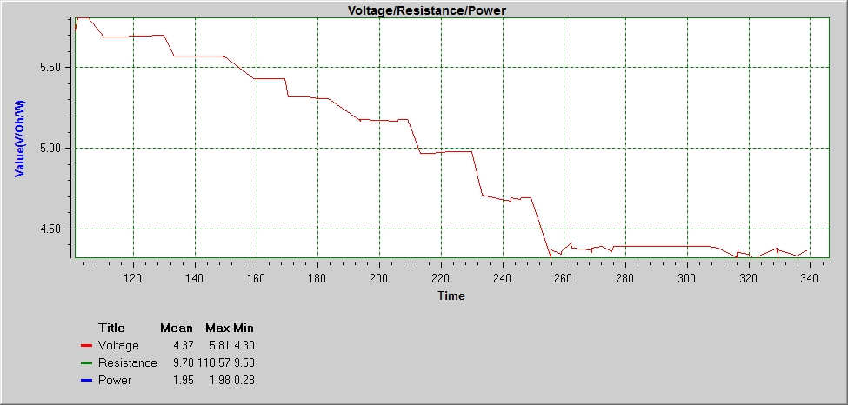
 |  | 30.932000047 | 0.399
 |  | 31.036000187 | 0.398
 |  | 34.227000154 | 0.397
 |  | 34.331000294 | 0.397
 |  | 34.471000289 | 0.398
 |  | 34.626000328 | 0.398
 |  | 34.781000367 | 0.398
 |  | 37.952000066 | 0.397
 |  | 38.216000469 | 0.398
 |  | 47.406999953 | 0.398
 |  | 47.511000093 | 0.398
 |  | 53.747000266 | 0.398
 |  | 60.096000228 | 0.398
 |  | 66.22700009 | 0.397
 |  | 66.34100005 | 0.398
 |  | 66.446000361 | 0.397
 |  | 69.726999965 | 0.398
 |  | 69.881000463 | 0.397
 |  | 76.191000058 | 0.397
 |  | 76.446000184 | 0.398
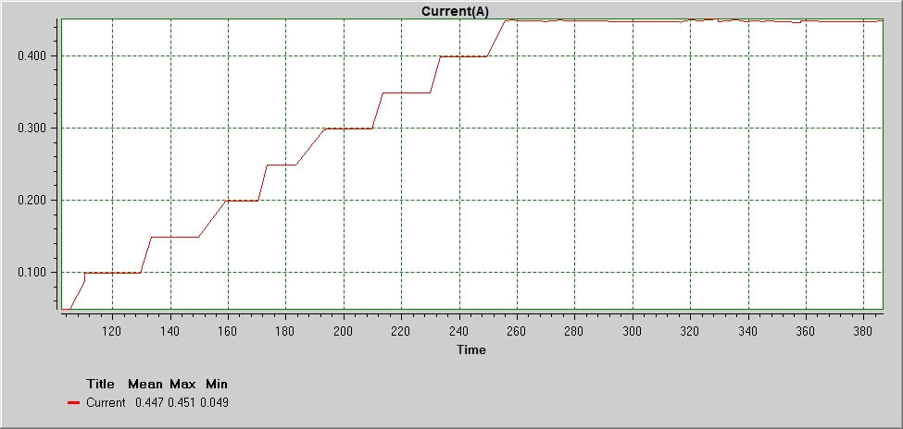
 |  | 82.612000359 | 0.398
 |  | 88.851999957 | 0.398
 |  | 89.067000174 | 0.398
 |  | 89.226000267 | 0.397
 |  | 101.93600035 | 0.049
 |  | 105.10700005 | 0.049
 |  | 105.2460005 | 0.049
 |  | 110.31600041 | 0.087
 |  | 110.47100045 | 0.099
 |  | 110.65599995 | 0.099
 |  | 113.79700019 | 0.099
 |  | 113.90599993 | 0.099
 |  | 114.05600037 | 0.099
 |  | 114.216 | 0.099
 |  | 114.37600027 | 0.099
 |  | 114.52600008 | 0.099
 |  | 129.73699998 | 0.099
 |  | 133.34200017 | 0.149
 |  | 139.47200049 | 0.149
 |  | 139.69100013 | 0.149
 |  | 142.98600024 | 0.149
 |  | 143.13100046 | 0.149
 |  | 149.30200023 | 0.149
 |  | 149.52600009 | 0.149
 |  | 149.68100013 | 0.149
 |  | 159.12700037 | 0.199
 |  | 159.24599993 | 0.199
 |  | 162.40600026 | 0.199
 |  | 162.52599999 | 0.199
 |  | 165.68200027 | 0.199
 |  | 165.80100046 | 0.199
 |  | 168.96699993 | 0.199
 |  | 169.22600011 | 0.199
 |  | 170.36100011 | 0.199
 |  | 173.53600049 | 0.249
 |  | 176.91199996 | 0.249
 |  | 180.18700043 | 0.249
 |  | 183.46700049 | 0.249
 |  | 193.38600032 | 0.299
 |  | 193.51100028 | 0.298
 |  | 193.66100009 | 0.298
 |  | 193.80600031 | 0.299
 |  | 193.97100017 | 0.299
 |  | 206.16100018 | 0.299
 |  | 206.29599995 | 0.299
 |  | 209.45600029 | 0.299
 |  | 209.57600002 | 0.299
 |  | 213.40200019 | 0.349
 |  | 213.51100055 | 0.349
 |  | 216.67800019 | 0.349
 |  | 222.91200003 | 0.348
 |  | 226.0410001 | 0.349
 |  | 226.14600041 | 0.349
 |  | 226.30600005 | 0.348
 |  | 226.48100036 | 0.349
 |  | 226.61100053 | 0.349
 |  | 229.78600028 | 0.349
 |  | 229.89099997 | 0.349
 |  | 230.04600001 | 0.348
 |  | 233.41600033 | 0.398
 |  | 239.65200051 | 0.399
 |  | 242.77700053 | 0.399
 |  | 242.88600027 | 0.398
 |  | 246.06200019 | 0.399
 |  | 246.18100037 | 0.399
 |  | 249.32600004 | 0.399
 |  | 255.75599999 | 0.448
 |  | 255.8610003 | 0.448
 |  | 259.14200053 | 0.45
 |  | 259.31600004 | 0.449
 |  | 262.4620005 | 0.448
 |  | 262.58700045 | 0.449
 |  | 268.74600006 | 0.449
 |  | 268.85599997 | 0.449
 |  | 268.97600032 | 0.448
 |  | 269.12600014 | 0.447
 |  | 272.41600002 | 0.448
 |  | 275.60299993 | 0.45
 |  | 276.17100002 | 0.449
 |  | 306.72700005 | 0.447
 |  | 309.99700029 | 0.447
 |  | 316.18100039 | 0.447
 |  | 316.32599998 | 0.446
 |  | 316.55100002 | 0.446
 |  | 316.70600006 | 0.447
 |  | 319.87099999 | 0.45
 |  | 322.99700018 | 0.448
 |  | 323.25600036 | 0.449
 |  | 329.43699996 | 0.451 | 1.16 | 0
 |  | 329.5410001 | 0.451 | 1.26 | 0
 |  | 329.67600049 | 0.447
 |  | 335.93600036 | 0.45
 |  | 339.16600007 | 0.447
 |  | 342.33600022 | 0.449
 |  | 345.61700046 | 0.447
 |  | 345.91600054 | 0.449
 |  | 358.05900008 | 0.446
 |  | 358.20300013 | 0.449
 |  | 364.38399972 | 0.448
 |  | 364.52300018 | 0.447
 |  | 376.79899978 | 0.447
 |  | 383.05400005 | 0.447
 |  | 386.17299967 | 0.448
 |  | 392.41400007 | 0.448
 |  | 392.53299963 | 0.449
 |  | 395.80400004 | 0.448
 |  | 395.95799991 | 0.448
 |  | 396.11299995 | 0.447
 |  | 411.32399985 | 0.447
 |  | 414.67799996 | 0.447
 |  | 417.84299989 | 0.448
 |  | 423.9889998 | 0.448
 |  | 427.31399999 | 0.448
 |  | 427.46799986 | 0.447
 |  | 430.64900001 | 0.447
 |  | 430.91299979 | 0.45
 |  | 431.05299978 | 0.448
 |  | 437.33800014 | 0.448
 |  | 440.46399971 | 0.448
 |  | 440.57300007 | 0.448
 |  | 446.78899997 | 0.447 | 1.56 | 0
 |  | 452.98899966 | 0.451 | 1.65 | 0
 |  | 453.20799993 | 0.449
 |  | 453.36299997 | 0.449
 |  | 462.55400009 | 0.447
 |  | 465.93799966 | 0.449
 |  | 466.1580001 | 0.45
 |  | 469.32300003 | 0.446
 |  | 472.55900013 | 0.447
 |  | 472.70799978 | 0.448
 |  | 476.01399987 | 0.449
 |  | 479.26399985 | 0.448
 |  | 482.53899969 | 0.448
 |  | 485.70399962 | 0.451
 |  | 485.97299962 | 0.448
 |  | 492.25399992 | 0.449
 |  | 492.37300011 | 0.447
 |  | 495.64599961 | 0.449
 |  | 498.80899983 | 0.449
 |  | 501.94399967 | 0.449
 |  | 502.19300003 | 0.447
 |  | 511.37899992 | 0.448
 |  | 514.56400012 | 0.447

 |  |  |  | 2.04 | 0
 |  |  |  | 1.95 | 0

 |  |  |  | 2.43 | 0
 |  |  |  | 2.33 | 0

 |  |  |  | 2.72 | 0
 |  |  |  | 2.82 | 0

 |  |  |  | 3.21 | 0
 |  |  |  | 3.12 | 0

 |  |  |  | 3.6 | 0
 |  |  |  | 3.49 | 0

AC Input meas.
 | VAC input measurements

 | Test setup : Fluke287 connected in series with UUT board supply after Power meter

 | VIN(AC) | IIN(AC) | PF | PIN(AC)(Wattmeter) | Pin (calc.) | VOUT(DC) | ILOAD(DC) | POUT(DC) | P(eff.)
1 | 205 | 0.024 |  | 5 | 4.92 | 4.96 | 0.35 | 1.736 | 0.3472

2 | 205 | 0.017 |  | 3 | 3.485 | 5.44 | 0.2 | 1.088 | 0.31219512195

3 | 204 | 0.004 |  | 0 |  | 6 | 0 | 0

 | Test Setup : 7 ohm /1% resistor connected in series to AC supply & Hantek connected across this resistor. Hantek set to acquire "peak" detection at Vtrigger of 15V, AC coupling used on CH1 trigger source
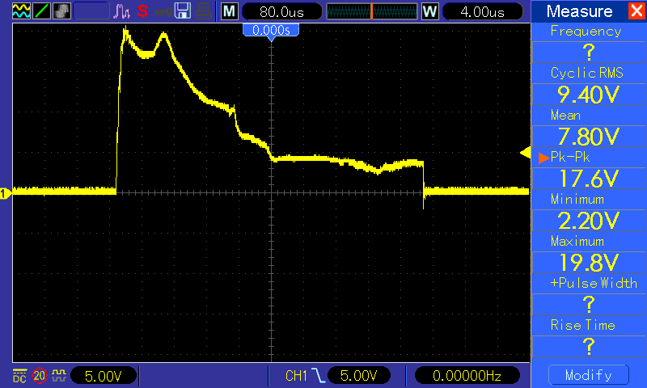

 | Inrush Current => |  |  | 2.8571428571 | A

